Target - 50
Revenue | Monthly | Annual |  | Class Rate: | $30
Net Paying # Members | 50 |  |  | # classes / week: | 22
Avg Membership Price | $205 |  |  | Staff Overhead | 25% | <== workers comp, healthcare, employment taxes
Retention Rate | 95%
# New | 5
Avg RampUp Monthly Price | $300
Secondary Revenue |  |  | 0% of total Revenue
Tertiary Revenue |  |  | 0% of total Revenue
Specialty Event | $250
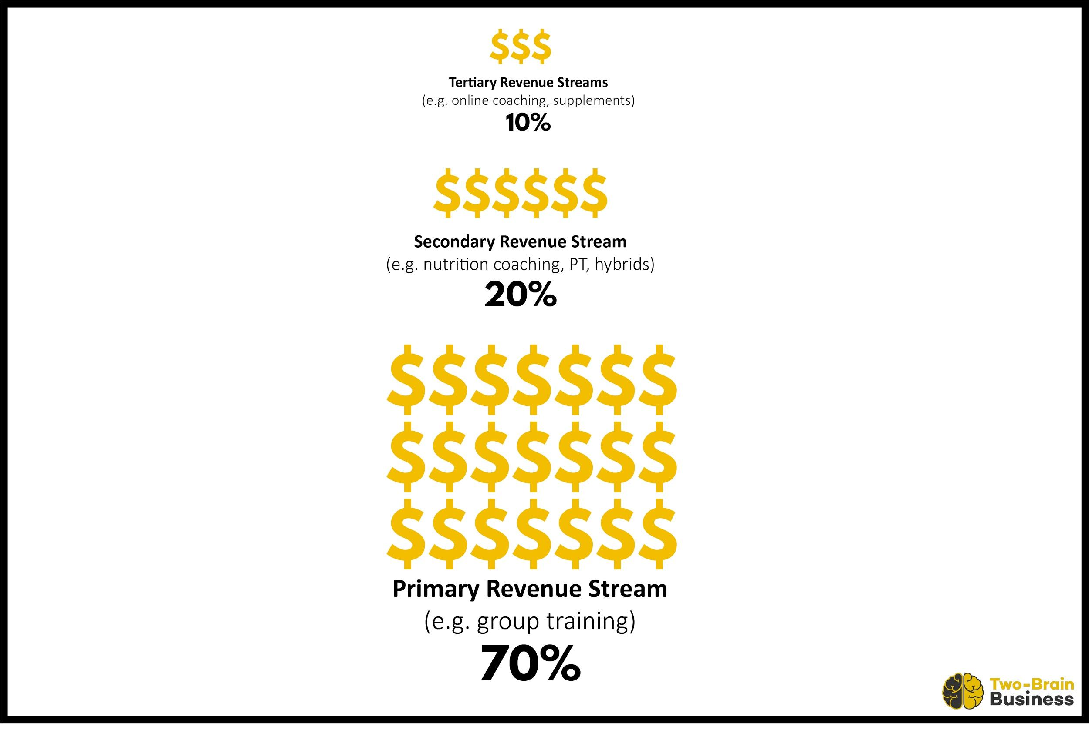
Total Revenue | $12,000
ARM | $240

Recurring Expense
Affiliation | $250
Cleaning | $300
Events | $150
Insurance | $200
Loan Repayment for Buildout
Marketing / Advertising | $300
Meals / Entertainment | $100
Member Retention ($4 / month) | $200
Merchant Fees (2.5%) | $300
Office Supplies / Facilities | $100
Pro-Shop Restock | $250
Rent | $2,500
Software (web, gym management) | $700
Training / Education | $500
Utilities | $600
Total Recurring Expense | $6,450

Staff Pay
General Manager | $0
Coach - Classes | $0 | $0
Coach - Other | $660 | $7,920
CSM / Admin / Social Media, etc |  | $0
Total Staff Pay | $660 | $7,920

One time expense
Gym Equipment | $250 | $3,000

Total Non-Owner Costs | $7,360
Total Net Income (excl Owner Pay) | $4,640

Net Owner Benefit
Owner Coaching (Classes) | 22
Owner Coaching - Salary | $3,575
Salary | $0
Dividends
Other Expenses
Total Owner Pay | $3,575 | $42,897

Net Income (after Owner Pay) | $1,065 | $12,783

Recurring Expense | 54%
Staff Pay | 6%
Operating Profit | 41%
Owner Pay | 30%
One-time expense | 2%
Net Income (after owner pay) | 9%

